Sales
2023-01-01 | 1/1/2023 | 1/2/2023 | 1/3/2023 | 1/4/2023 | 1/5/2023 | 1/6/2023 | 1/7/2023 | 1/8/2023 | 1/9/2023 | 1/10/2023 | 1/11/2023 | 1/12/2023 | 1/13/2023 | 1/14/2023 | 1/15/2023 | 1/16/2023 | 1/17/2023 | 1/18/2023 | 1/19/2023 | 1/20/2023 | 1/21/2023 | 1/22/2023 | 1/23/2023 | 1/24/2023 | 1/25/2023 | 1/26/2023 | 1/27/2023 | 1/28/2023 | 1/29/2023 | 1/30/2023 | 1/31/2023
 | SUN | MON | TUE | WED | THU | FRI | SAT | SUN | MON | TUE | WED | THU | FRI | SAT | SUN | MON | TUE | WED | THU | FRI | SAT | SUN | MON | TUE | WED | THU | FRI | SAT | SUN | MON | TUE
Weekend Work | Gaja | Gaja |  |  |  |  | Peter | Peter |  |  |  |  |  | Gaja | Gaja |  |  |  |  |  | Beno | Beno |  |  |  |  |  | Peter | Peter

Notes |  | Mailing: Seed Gifting Test (1000) |  | Referral Email
 |  |  |  | CES |  |  |  |  |  | Referral Email Follow-up |  |  |  |  |  |  | Shopify Changes / Importing orders |  |  |  |  |  |  | Shopify Changes / Importing orders |  |  |  |  |  |  | Shopify Changes / Importing orders

Shopify | $34,095.88 | $31,641.32 | $21,298.63 | $88,938.99 | $77,859.14 | $71,302.37 | $67,401.38 | $45,352.29 | $42,090.23 | $54,110.75 | $37,408.20 | $26,654.04 | $35,680.11 | $32,029.59 | $41,439.96 | $33,693.94 | $34,955.95 | $28,882.73 | $34,351.04 | $35,450.41 | $41,523.18 | $36,775.13 | $33,385.99 | $38,224.82 | $37,011.21 | $29,926.52 | $39,472.04 | $39,334.25 | $41,568.81 | $38,837.36 | $39,688.03
Total Revenue | $34,095.88 | $31,641.32 | $21,298.63 | $88,938.99 | $77,859.14 | $71,302.37 | $67,401.38 | $45,352.29 | $42,090.23 | $54,110.75 | $37,408.20 | $26,654.04 | $35,680.11 | $32,029.59 | $41,439.96 | $33,693.94 | $34,955.95 | $28,882.73 | $34,351.04 | $35,450.41 | $41,523.18 | $36,775.13 | $33,385.99 | $38,224.82 | $37,011.21 | $29,926.52 | $39,472.04 | $39,334.25 | $41,568.81 | $38,837.36 | $39,688.03
Orders | 184 | 174 | 136 | 372 | 314 | 283 | 262 | 212 | 178 | 289 | 171 | 113 | 144 | 136 | 176 | 146 | 184 | 119 | 138 | 133 | 158 | 157 | 127 | 152 | 141 | 112 | 145 | 156 | 164 | 135 | 140

FB - US & CA | $6,003.49 | $5,666.34 | $5,287.53 | $5,405.32 | $5,448.50 | $6,253.48 | $4,657.96 | $4,892.40 | $4,507.56 | $4,379.15 | $4,295.76 | $4,171.36 | $4,409.89 | $4,930.36 | $5,160.51 | $4,972.37 | $4,662.58 | $4,469.93 | $5,539.33 | $6,580.63 | $8,133.65 | $9,351.24 | $8,863.02 | $8,805.28 | $8,629.72 | $8,138.59 | $6,958.98 | $7,798.06 | $7,872.09 | $9,682.09 | $9,677.62
Google - WW | $2,600.00 | $2,990.00 | $2,520.00 | $3,230.00 | $3,500.00 | $2,296.12 | $2,822.09 | $2,213.61 | $1,789.04 | $2,123.89 | $1,479.12 | $1,610.83 | $1,900.00 | $2,220.00 | $2,618.92 | $2,856.36 | $2,308.90 | $2,076.88 | $2,047.28 | $2,396.90 | $2,607.87 | $2,318.01 | $2,109.62 | $2,052.02 | $1,595.22 | $1,830.99 | $1,987.12 | $2,012.09 | $2,048.27 | $1,765.94 | $1,573.76
Bing - WW | $83.03 | $91.99 | $89.30 | $155.15 | $152.58 | $154.02 | $126.99 | $139.77 | $148.10 | $137.47 | $129.34 | $109.40 | $113.26 | $69.12 | $84.21 | $125.10 | $72.17 | $71.99 | $86.35 | $75.36 | $52.14 | $80.81 | $82.51 | $104.32 | $96.31 | $65.31 | $78.43 | $69.32 | $66.38 | $88.33 | $78.76
TikTok - US & CA |  |  |  |  |  | $248.33 | $248.96
MNTN TV
Affiliate Fees - US |  |  |  |  |  |  | $0.00 | $0.00 | $0.00 | $15.47 | $0.00 | $0.00 | $0.00 | $0.00 | $0.00 | $0.00 | $0.00 | $0.00 | $0.00 | $133.32 | $0.00 | $0.00 | $0.00 | $0.00 | $0.00 | $0.00 | $50.08 | $0.00 | $0.00 | $0.00 | $59.80
Total Spend | $8,686.52 | $8,748.33 | $7,896.83 | $8,790.47 | $9,101.08 | $8,951.95 | $7,856.00 | $7,245.78 | $6,444.70 | $6,655.98 | $5,904.22 | $5,891.59 | $6,423.15 | $7,219.48 | $7,863.64 | $7,953.83 | $7,043.65 | $6,618.80 | $7,672.96 | $9,186.21 | $10,793.66 | $11,750.06 | $11,055.15 | $10,961.62 | $10,321.25 | $10,034.89 | $9,074.61 | $9,879.47 | $9,986.74 | $11,536.36 | $11,389.94

ROAS | 3.93 | 3.62 | 2.70 | 10.12 | 8.55 | 7.97 | 8.58 | 6.26 | 6.53 | 8.13 | 6.34 | 4.52 | 5.55 | 4.44 | 5.27 | 4.24 | 4.96 | 4.36 | 4.48 | 3.86 | 3.85 | 3.13 | 3.02 | 3.49 | 3.59 | 2.98 | 4.35 | 3.98 | 4.16 | 3.37 | 3.48
CAC | $47.21 | $50.28 | $58.06 | $23.63 | $28.98 | $31.63 | $29.98 | $34.18 | $36.21 | $23.03 | $34.53 | $52.14 | $44.61 | $53.08 | $44.68 | $54.48 | $38.28 | $55.62 | $55.60 | $69.07 | $68.31 | $74.84 | $87.05 | $72.12 | $73.20 | $89.60 | $62.58 | $63.33 | $60.89 | $85.45 | $81.36
CR | 1.75% | 1.56% | 1.42% | 1.94% | 1.41% | 1.20% | 1.45% | 1.43% | 1.38% | 2.27% | 1.70% | 1.06% | 1.38% | 1.27% | 1.57% | 1.31% | 1.74% | 1.24% | 1.12% | 1.03% | 1.06% | 0.99% | 0.95% | 0.88% | 0.90% | 0.96% | 1.08% | 1.12% | 1.21% | 1.01% | 0.96%
AOV | $185.30 | $181.85 | $156.61 | $239.08 | $247.96 | $251.95 | $257.26 | $213.93 | $236.46 | $187.23 | $218.76 | $235.88 | $247.78 | $235.51 | $235.45 | $230.78 | $189.98 | $242.71 | $248.92 | $266.54 | $262.80 | $234.24 | $262.88 | $251.48 | $262.49 | $267.20 | $272.22 | $252.14 | $253.47 | $287.68 | $283.49
fAOV | $218.10 | $213.02 | $165.42 | $274.63 | $276.50 | $278.59 | $277.46 | $252.45 | $264.79 | $227.36 | $261.58 | $266.43 | $267.20 | $278.16 | $253.00 | $256.17 | $219.10 | $268.33 | $288.92 | $287.70 | $285.63 | $266.16 | $278.84 | $265.79 | $287.01 | $282.79 | $287.54 | $277.43 | $278.86 | $306.63 | $300.16
rAOV | $112.24 | $112.57 | $86.11 | $138.93 | $131.08 | $121.52 | $164.84 | $105.27 | $102.13 | $137.47 | $130.83 | $116.32 | $170.75 | $84.81 | $150.60 | $146.38 | $101.96 | $159.46 | $102.06 | $183.48 | $164.20 | $120.83 | $194.91 | $185.24 | $118.22 | $195.49 | $176.45 | $146.47 | $109.92 | $118.95 | $189.02

Customers
Returning | 30.98% | 31.03% | 29.41% | 26.34% | 20.06% | 16.96% | 17.94% | 26.42% | 17.42% | 44.64% | 32.75% | 20.35% | 20.14% | 22.06% | 18.75% | 26.03% | 22.83% | 23.53% | 21.74% | 20.30% | 18.99% | 22.29% | 21.26% | 17.76% | 18.44% | 17.86% | 13.79% | 18.06% | 14.11% | 10.37% | 15.00%
First-time | 69.02% | 68.97% | 70.59% | 73.66% | 79.94% | 83.04% | 82.06% | 73.58% | 82.58% | 55.36% | 67.25% | 79.65% | 79.86% | 77.94% | 81.25% | 73.97% | 77.17% | 76.47% | 78.26% | 79.70% | 81.01% | 77.71% | 78.74% | 82.24% | 81.56% | 82.14% | 86.21% | 81.94% | 85.89% | 89.63% | 85.00%

Post-purchase Survey
Facebook / Instagram | 26.32% | 31.37% | 17.14% | 13.92% | 10.10% | 6.67% | 15.19% | 19.23% | 22.50% | 29.03% | 22.86% | 33.33% | 15.22% | 17.14% | 14.29% | 17.65% | 36.00% | 18.92% | 17.07% | 15.38% | 41.67% | 41.67% | 35.48% | 42.50% | 28.57% | 20.00% | 36.73% | 31.58% | 33.33% | 42.11% | 55.26%
Friends / Family | 68.42% | 64.71% | 82.86% | 34.18% | 34.34% | 38.67% | 44.30% | 40.38% | 50.00% | 45.16% | 54.29% | 26.67% | 50.00% | 40.00% | 46.94% | 47.06% | 44.00% | 51.35% | 53.66% | 50.00% | 44.44% | 43.75% | 58.06% | 37.50% | 52.38% | 56.67% | 57.14% | 44.74% | 47.06% | 42.11% | 31.58%
Google, Yahoo, Bing | 3.51% | 1.96% | 0.00% | 0.00% | 8.08% | 10.67% | 15.19% | 7.69% | 7.50% | 1.61% | 8.57% | 6.67% | 4.35% | 14.29% | 10.20% | 5.88% | 4.00% | 5.41% | 12.20% | 15.38% | 8.33% | 4.17% | 0.00% | 5.00% | 4.76% | 10.00% | 2.04% | 10.53% | 5.88% | 5.26% | 7.89%
Pinterest | 0.00% | 0.00% | 0.00% | 0.00% | 0.00% | 0.00% | 0.00% | 0.00% | 0.00% | 0.00% | 0.00% | 0.00% | 0.00% | 0.00% | 0.00% | 0.00% | 0.00% | 2.70% | 0.00% | 0.00% | 0.00% | 0.00% | 0.00% | 0.00% | 0.00% | 0.00% | 0.00% | 0.00% | 0.00% | 0.00% | 0.00%
TikTok | 0.00% | 1.96% | 0.00% | 1.27% | 2.02% | 0.00% | 1.27% | 0.00% | 0.00% | 1.61% | 0.00% | 0.00% | 2.17% | 2.86% | 2.04% | 2.94% | 0.00% | 2.70% | 2.44% | 0.00% | 2.78% | 4.17% | 0.00% | 2.50% | 2.38% | 0.00% | 0.00% | 5.26% | 0.00% | 0.00% | 0.00%
TV / Radio | 1.75% | 0.00% | 0.00% | 6.33% | 8.08% | 12.00% | 7.59% | 9.62% | 5.00% | 4.84% | 0.00% | 6.67% | 4.35% | 8.57% | 8.16% | 8.82% | 8.00% | 0.00% | 0.00% | 3.85% | 2.78% | 0.00% | 0.00% | 5.00% | 7.14% | 0.00% | 0.00% | 7.89% | 0.00% | 0.00% | 0.00%
Blog / Article | 0.00% | 0.00% | 0.00% | 44.30% | 37.37% | 32.00% | 16.46% | 23.08% | 15.00% | 17.74% | 14.29% | 26.67% | 23.91% | 17.14% | 18.37% | 17.65% | 8.00% | 18.92% | 14.63% | 15.38% | 0.00% | 6.25% | 6.45% | 7.50% | 4.76% | 13.33% | 4.08% | 0.00% | 13.73% | 10.53% | 5.26%

 | 2023-01-01 | Goal | % of Goal
Revenue | $1,290,384.29 |  | #DIV/0!
Spend | $268,938.92 |  | #DIV/0!
ROAS | 4.80 |  | #DIV/0!
CAC | $49.34
CAC per Unit | $71.60 |  | #DIV/0!
CR | 1.31% |  | #DIV/0!
AOV | $236.72 |  | #DIV/0!
fAOV | $264.90
rAOV | $138.02
Orders | 5,451
Units Sold | 3,756 |  | #DIV/0!

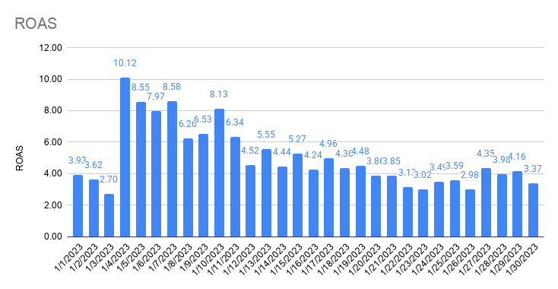
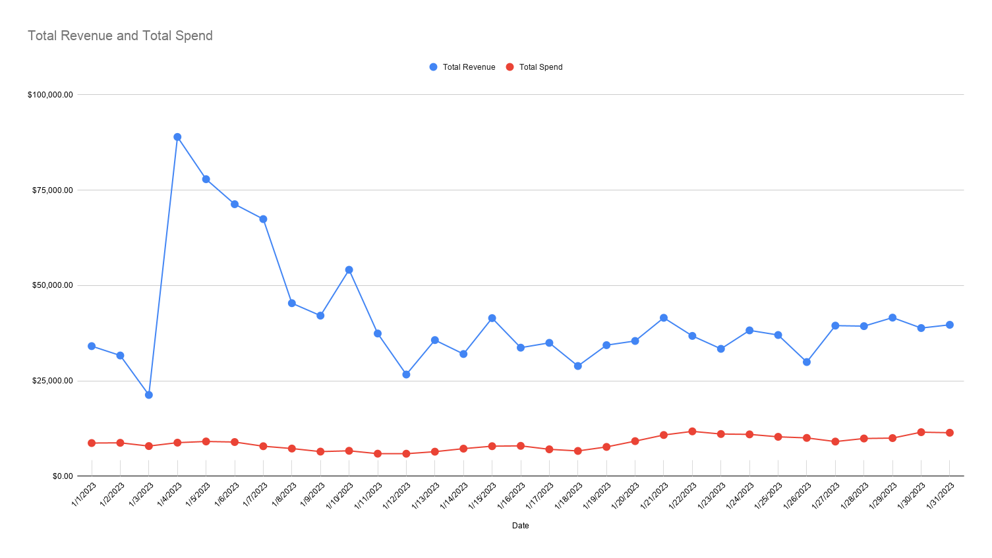

Total Revenue and Total Spend

